Composite
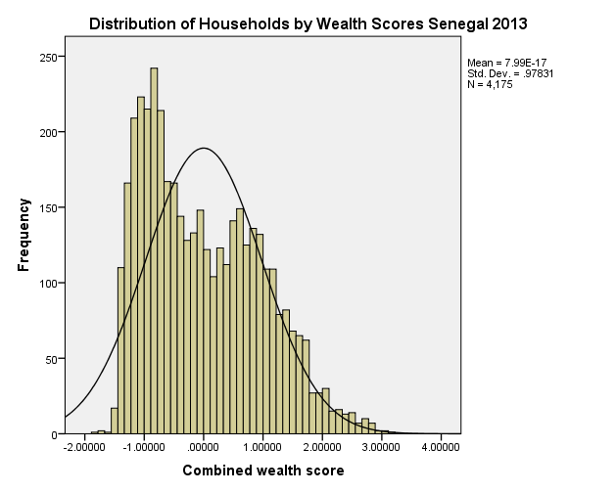
Combined Scores

 | Urban Area

 |  | Coefficientsa
 |  | Model |  | Unstandardized Coefficients |  | Standardized Coefficients | t | Sig.
 |  |  |  | B | Std. Error | Beta
 |  | 1 | (Constant) | 0.770 | 0.006 |  | 118.919 | 0.000
 |  |  | Urban wealth score | 0.846 | 0.006 | 0.955 | 130.602 | 0.000
 |  | a. Dependent Variable: Common wealth score

 |  |  | Combined Score= 0.770 + 0.846 * Urban Score

 | Rural

 |  | Coefficientsa
 |  | Model |  | Unstandardized Coefficients |  | Standardized Coefficients | t | Sig.
 |  |  |  | B | Std. Error | Beta
 |  | 1 | (Constant) | -0.497 | 0.003 |  | -154.496 | 0.000
 |  |  | Rural wealth score | 0.695 | 0.003 | 0.974 | 215.702 | 0.000
 |  | a. Dependent Variable: Common wealth score

 |  |  | Combined Score= -0.497 + 0.695 * Rural Score

 | Combined Score

 |  | Statistics
 |  | Combined wealth score
 |  | N | Valid | 4175
 |  |  | Missing | 0
 |  | Mean |  | 0.0000000
 |  | Std. Error of Mean |  | 0.01514082
 |  | Median |  | -0.1466057
 |  | Mode |  | 2.69959
 |  | Std. Deviation |  | 0.97831269
 |  | Skewness |  | 0.515
 |  | Std. Error of Skewness |  | 0.038
 |  | Kurtosis |  | -0.610
 |  | Std. Error of Kurtosis |  | 0.076
 |  | Minimum |  | -1.80131
 |  | Maximum |  | 3.12942
 |  | Percentiles | 20 | -0.9464034
 |  |  | 40 | -0.4898995
 |  |  | 60 | 0.2141854
 |  |  | 80 | 0.9312957
 | histrogram

